26-04-2022
BURBERRY DRESSES MOD. KELSY

Generic | Material | MOD. NAME | Colore | SIZE | Q.TY | ORDER | RETIAL PRICE | PHOTOS
80277091 | 80277091001 | KELSY | CANVAS BLUE | 2 | 2 |  | € 525.00 | 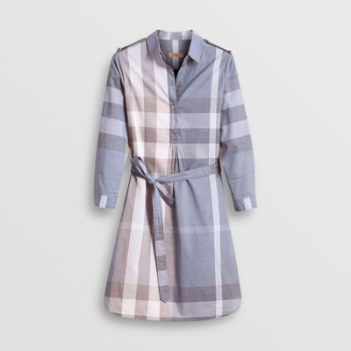 #80277091
80277091 | 80277091002 | KELSY | CANVAS BLUE | 4 | 20 |  | € 525.00 | #80277091
80277091 | 80277091003 | KELSY | CANVAS BLUE | 6 | 22 |  | € 525.00 | #80277091
80277091 | 80277091004 | KELSY | CANVAS BLUE | 8 | 32 |  | € 525.00 | #80277091
80277091 | 80277091005 | KELSY | CANVAS BLUE | 10 | 24 |  | € 525.00 | #80277091
80277091 | 80277091006 | KELSY | CANVAS BLUE | 12 | 14 |  | € 525.00 | #80277091
80277091 | 80277091007 | KELSY | CANVAS BLUE | 14 | 7 |  | € 525.00 | #80277091
80277091 | 80277091008 | KELSY | CANVAS BLUE | 16 | 2 |  | € 525.00 | #80277091
80277071 | 80277071001 | KELSY | PALE STONE | 2 | 1 |  | € 525.00 | #80277071
80277071 | 80277071002 | KELSY | PALE STONE | 4 | 20 |  | € 525.00 | #80277071
80277071 | 80277071003 | KELSY | PALE STONE | 6 | 23 |  | € 525.00 | #80277071
80277071 | 80277071004 | KELSY | PALE STONE | 8 | 24 |  | € 525.00 | #80277071
80277071 | 80277071005 | KELSY | PALE STONE | 10 | 24 |  | € 525.00 | #80277071
80277071 | 80277071006 | KELSY | PALE STONE | 12 | 15 |  | € 525.00 | #80277071
80277071 | 80277071007 | KELSY | PALE STONE | 14 | 3 |  | € 525.00 | #80277071
80277071 | 80277071008 | KELSY | PALE STONE | 16 | 1 |  | € 525.00 | #80277071
80277061 | 80277061001 | KELSY | PARADE RED | 2 | 2 |  | € 525.00 | 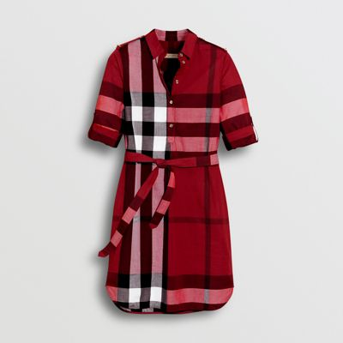 #80277061
80277061 | 80277061002 | KELSY | PARADE RED | 4 | 5 |  | € 525.00 | #80277061
80277061 | 80277061003 | KELSY | PARADE RED | 6 | 3 |  | € 525.00 | #80277061
80277061 | 80277061004 | KELSY | PARADE RED | 8 | 3 |  | € 525.00 | #80277061
80277061 | 80277061005 | KELSY | PARADE RED | 10 | 3 |  | € 525.00 | #80277061
80277061 | 80277061006 | KELSY | PARADE RED | 12 | 4 |  | € 525.00 | #80277061
80277061 | 80277061007 | KELSY | PARADE RED | 14 | 6 |  | € 525.00 | #80277061
80277061 | 80277061008 | KELSY | PARADE RED | 16 | 1 |  | € 525.00 | #80277061
80277081 | 80277081001 | KELSY | TAUPE BROWN | 2 | 3 |  | € 525.00 | 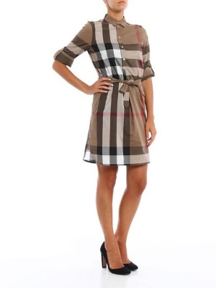 #80277081
80277081 | 80277081002 | KELSY | TAUPE BROWN | 4 | 23 |  | € 525.00 | #80277081
80277081 | 80277081003 | KELSY | TAUPE BROWN | 6 | 57 |  | € 525.00 | #80277081
80277081 | 80277081004 | KELSY | TAUPE BROWN | 8 | 56 |  | € 525.00 | #80277081
80277081 | 80277081005 | KELSY | TAUPE BROWN | 10 | 55 |  | € 525.00 | #80277081
80277081 | 80277081006 | KELSY | TAUPE BROWN | 12 | 25 |  | € 525.00 | #80277081
80277081 | 80277081007 | KELSY | TAUPE BROWN | 14 | 3 |  | € 525.00 | #80277081
 |  |  |  |  | 483 | 0

